Bugs
 | Severe - game breaking or ruining bugs (crashes, progression blocked, malfunctioning code)
 | Attention required - fix quickly
 | Ignorable - fix whenever
 | Annoyance - not technically bugs but might still need attention (spelling mistakes, alignment issues, bad graphics etc)
 | Fun - bugs that actually improve the gameplay experience

 | Double battles can look a bit jank. An example is the wrong Pokemon name being printed relating to abilities & totems being used but there may be more
 | Wait menu is missing fadescreens and sound effects
 | As Legendary Pokemon aren't defined yet, Shiny Charm will still affect them & they can be generated in any rarity like normal Pokemon
 | Hidden power doesn't use mon's hidden type - need to add hidden type to battle pokemon struct for this which we can't do until everything is decompiled basically
 | Herbal HP restore items don't function correctly when held
 | Trainer card reads "PLAY TIME" instead of "PLAYED". Keep it consistent
 | Screen fades to black then quickly pops to white after whiting out on nuzlocke modes after the game restarts. Maybe make screen fade to white in nuzlocke modes?
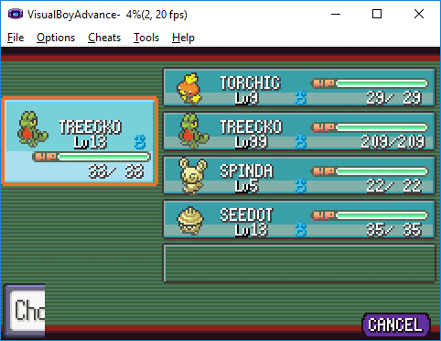
 | Graphical glitch on Pokemon screen when an item is taken from a Pokemon
>> | CreateMon & CreateBoxMon have both been modified to take extra fields. There may be uncompiled instances where this leads to bugs - looks like there might be one relating to BoxMons in the storage system
 | Rarity seems to be ignored when creating a trainer's first Pokemon in double battles
>> | Options menu when accessed from anywhere other than the main menu has a black background. Background needs to be white
>> | Various graphical errors when handling item quantities with 3 digits (such as tossing items)
>> | Minor graphical glitch on trainer card when time rolls over from 65535:59 to 0:00
 | Contest type icons are borked. Game sometimes crashes when attempting to scroll through Pokemon on the summary screen whilst viewing their contest moves. Doesn't matter as contests are being removed
 | Contests themselves are pretty borked, as are Pokeblocks and other contest related things as contest stats have been removed. Who cares tho lol
 | Mist needs a new battle message when its effects wear off - something like "ALLY stats are no longer protected!"
 | Some graphical errors due to longer item names (such as when displayed on summary screen)
 | Type effectiveness is too volatile across all types
 | Some item descriptions are too long & don't fit in the text box. Seeing as item description formats will be changed soon anyway and all descriptions need to be rewritten, don't bother fixing this

Time
 | DNS |  |  |  |  |  |  |  |  |  |  |  |  |  | Notes | World Event | Melemele | Akala | Ula'ula | Poni
 | The DNS works pretty much straight out of the box with this system as it only checks bytes in the RAM and doesn't load the routine itself |  |  |  |  |  |  |  |  |  |  | Spring | Early | Monday | Palette change | Spring Festival |  |  | Swarm
 | Hours still use values 00-23 so no special mechanics need to be written |  |  |  |  |  |  |  |  |  |  |  |  | Tuesday |  |  |  | Bug
 |  |  |  |  |  |  |  |  |  |  |  |  |  | Wednesday | MARCH |  |  |  | Fishing
 |  | SPRING | SPRING | SUMMER | SUMMER | FALL | FALL | WINTER | WINTER | Time | Statusbyte |  |  | Thursday
 |  | Week 0 | Week 1 | Week 0 | Week 1 | Week 0 | Week 1 | Week 0 | Week 1 | Night | 0 |  |  | Friday | Palette change | Blossom |  |  |  | Swarm
00 | 0:00:00 | Night | Night | Night | Night | Night | Night | Night | Night | Night | 1,2,3 |  |  | Saturday |  | Blossom | Swarm
01 | 1:00:00 | Night | Night | Night | Night | Night | Night | Night | Night | Day | 4,5,6 |  |  | Sunday | APRIL | Blossom |  | Swarm
02 | 2:00:00 | Night | Night | Night | Night | Night | Night | Night | Night | Day | 7,8,9 |  | Late | Monday |  | Blossom |  |  | Swarm
03 | 3:00:00 | Night | Night | Night | Night | Night | Night | Night | Night | Day | B,C,D |  |  | Tuesday | Palette change |  |  | Bug
04 | 4:00:00 | Night | Night | Dawn | Night | Night | Night | Night | Night | Day | A |  |  | Wednesday |  |  |  |  | Fishing
05 | 5:00:00 | Night | Dawn | Dawn | Dawn | Night | Night | Night | Night | Day | E,F,10 |  |  | Thursday | MAY
06 | 6:00:00 | Dawn | Dawn | Day | Dawn | Dawn | Night | Night | Night | Day | 11,12,13 |  |  | Friday |  | Alola Day |  |  |  | Swarm
07 | 7:00:00 | Dawn | Day | Day | Day | Dawn | Dawn | Night | Dawn | Night | 14,15,16 |  |  | Saturday | Palette change |  | Swarm |  |  |  | 23CB
08 | 8:00:00 | Day | Day | Day | Day | Day | Dawn | Dawn | Dawn | Night | 17,18,19 |  |  | Sunday |  |  |  | Swarm
09 | 9:00:00 | Day | Day | Day | Day | Day | Day | Dawn | Day |  |  | Summer | Early | Monday |  |  |  |  | Swarm
0A | 10:00:00 | Day | Day | Day | Day | Day | Day | Day | Day |  |  |  |  | Tuesday | JUNE | Fishing Season |  | Bug
0B | 11:00:00 | Day | Day | Day | Day | Day | Day | Day | Day |  |  |  |  | Wednesday | Palette change | Fishing Season |  |  | Fishing
0C | 12:00:00 | Day | Day | Day | Day | Day | Day | Day | Day |  |  |  |  | Thursday |  | Fishing Season
0D | 13:00:00 | Day | Day | Day | Day | Day | Day | Day | Day |  |  |  |  | Friday |  |  |  |  |  | Swarm
0E | 14:00:00 | Day | Day | Day | Day | Day | Day | Day | Day |  |  |  |  | Saturday |  |  | Swarm
0F | 15:00:00 | Day | Day | Day | Day | Day | Day | Day | Day |  |  |  |  | Sunday | Palette change |  |  | Swarm
10 | 16:00:00 | Day | Day | Day | Day | Day | Day | Dusk | Day |  |  |  | Late | Monday | JULY |  |  |  | Swarm
11 | 17:00:00 | Day | Day | Day | Day | Day | Dusk | Dusk | Dusk |  |  |  |  | Tuesday |  |  |  | Bug
12 | 18:00:00 | Dusk | Day | Day | Day | Dusk | Dusk | Night | Dusk |  |  |  |  | Wednesday |  |  |  |  | Fishing
13 | 19:00:00 | Dusk | Dusk | Day | Dusk | Dusk | Night | Night | Night |  |  |  |  | Thursday | Palette change
14 | 20:00:00 | Night | Dusk | Dusk | Dusk | Night | Night | Night | Night |  |  |  |  | Friday | AUGUST |  |  |  |  | Swarm
15 | 21:00:00 | Night | Night | Dusk | Night | Night | Night | Night | Night |  |  |  |  | Saturday |  | Battle Season | Swarm
16 | 22:00:00 | Night | Night | Night | Night | Night | Night | Night | Night |  |  |  |  | Sunday |  | Battle Season |  | Swarm
17 | 23:00:00 | Night | Night | Night | Night | Night | Night | Night | Night |  |  | Fall | Early | Monday | Palette change | Battle Season |  |  | Swarm
 |  |  |  |  |  |  |  |  |  |  |  |  |  | Tuesday |  | Battle Season |  | Bug
 |  | SPRING | SPRING | SUMMER | SUMMER | FALL | FALL | WINTER | WINTER |  |  |  |  | Wednesday | SEPTEMBER |  |  |  | Fishing
 |  |  |  |  |  |  |  |  |  |  |  |  |  | Thursday
 |  | THE GAME BEGINS ON TUESDAY, LATE SPRING, AT 8AM |  |  |  |  |  |  |  |  |  |  |  | Friday | Palette change |  |  |  |  | Swarm | FA2A
 |  |  |  |  |  |  |  |  |  |  |  |  |  | Saturday |  | Harvest | Swarm
 |  |  |  |  |  |  |  |  |  |  |  |  |  | Sunday | OCTOBER | Harvest |  | Swarm
 |  |  |  |  |  |  |  |  |  |  |  |  | Late | Monday |  | Harvest |  |  | Swarm
 |  |  |  |  |  |  |  |  |  |  |  |  |  | Tuesday | Palette change | Hallowe'en |  | Bug
 |  |  |  |  |  |  |  |  |  |  |  |  |  | Wednesday |  |  |  |  | Fishing
 |  |  |  |  |  |  |  |  |  |  |  |  |  | Thursday | NOVEMBER
 |  |  |  |  |  |  |  |  |  |  |  |  |  | Friday |  |  |  |  |  | Swarm
 |  |  |  |  |  |  |  |  |  |  |  |  |  | Saturday | Palette change |  | Swarm
 |  |  |  |  |  |  |  |  |  |  |  |  |  | Sunday |  | Flu Season |  | Swarm
 |  | CAVE LIGHTING |  |  |  |  |  |  |  |  |  | Winter | Early | Monday |  | Blackout |  |  | Swarm
 |  | Cave lighting is set by the weather loading function, check there for more details |  |  |  |  |  |  |  |  |  |  |  | Tuesday | DECEMBER |  |  | Bug
 |  | 1E - standard cave colour filter |  |  |  |  |  |  |  |  |  |  |  | Wednesday | Palette change |  |  |  | Fishing
 |  | 1F - darker cave colour filter. Darker and less blue than regular, closer to black |  |  |  |  |  |  |  |  |  |  |  | Thursday |  | Holiday
 |  | 20 - icy cave filter. Cool, light blue to whitewash the palettes slightly |  |  |  |  |  |  |  |  |  |  |  | Friday |  |  |  |  |  | Swarm
 |  | 21 - magma cave filter. Red/orange heat filter. Use in caves with magma pools etc |  |  |  |  |  |  |  |  |  |  |  | Saturday |  |  | Swarm
 |  | 22 - damp cave filter. More green than 1E, makes everything look dingy and mossy |  |  |  |  |  |  |  |  |  |  |  | Sunday | Palette change |  |  | Swarm
 |  | 23 - pool cave filter. Lighter blue than 1E, more of a sky blue. Use in caves with clear pools to make everything look "aquatic" |  |  |  |  |  |  |  |  |  |  | Late | Monday | JANUARY |  |  |  | Swarm
 |  | 24 - sandy cave filter. Almost a sepia filter. Makes everything look dry and dead. Use in beachside caves |  |  |  |  |  |  |  |  |  |  |  | Tuesday |  |  |  | Bug
 |  | 25 - dark sandy cave filter. Same thing as previous but darker, for use in deep sandy caves |  |  |  |  |  |  |  |  |  |  |  | Wednesday |  |  |  |  | Fishing
 |  | 26 - mystic. Makes everything look sacred |  |  |  |  |  |  |  |  |  |  |  | Thursday | Palette change
 |  | 27 - glowing cave. Murky but vivid blue to use in caves with lichen |  |  |  |  |  |  |  |  |  |  |  | Friday | FEBRUARY |  |  |  |  | Swarm
 |  | 28 - spooky filter. Deep purple and makes everything look sinister (also used in abandoned buildings) |  |  |  |  |  |  |  |  |  |  |  | Saturday |  |  | Swarm
 |  | 29 - dive. Everything looks underwater. Player & other objects are coloured too |  |  |  |  |  |  |  |  |  |  |  | Sunday |  |  |  | Swarm

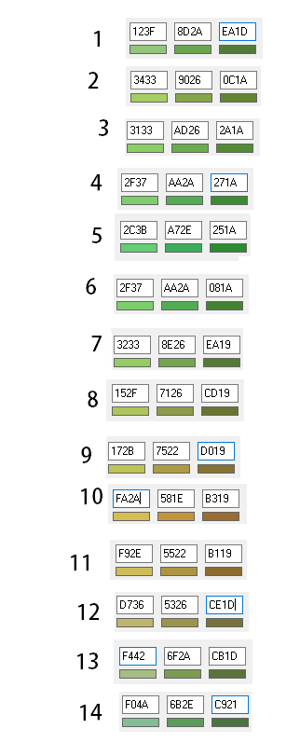

 |  |  |  |  |  | Pal 0 | Pal 1 | Pal 2
 |  |  |  | 1 | Spring | 14 | 1 | 2
 |  |  |  | 2 | Spring | 1 | 2 | 3
 |  |  |  | 3 | Spring | 2 | 3 | 4
 |  |  |  | 4 | Spring | 3 | 4 | 5
 |  |  |  | 5 | Summer | 4 | 5 | 6
 |  |  |  | 6 | Summer | 5 | 6 | 7
 |  |  |  | 7 | Summer | 6 | 7 | 8
 |  |  |  | 8 | Fall | 7 | 8 | 9
 |  |  |  | 9 | Fall | 8 | 9 | 10
 |  |  |  | 10 | Fall | 9 | 10 | 11
 |  |  |  | 11 | Fall | 10 | 11 | 12
 |  |  |  | 12 | Winter | 11 | 12 | 13
 |  |  |  | 13 | Winter | 12 | 13 | 14
 |  |  |  | 14 | Winter | 13 | 14 | 1

